Haddock
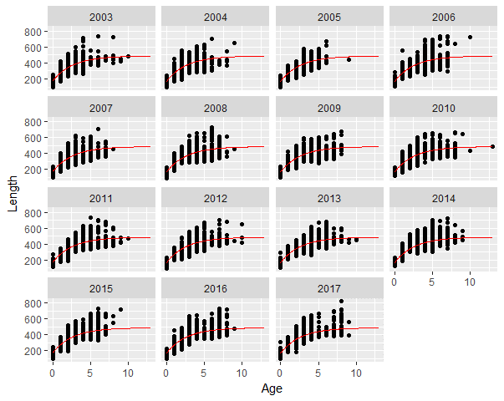

Cod
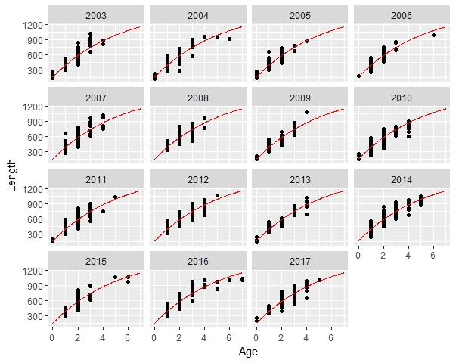

Monkfish
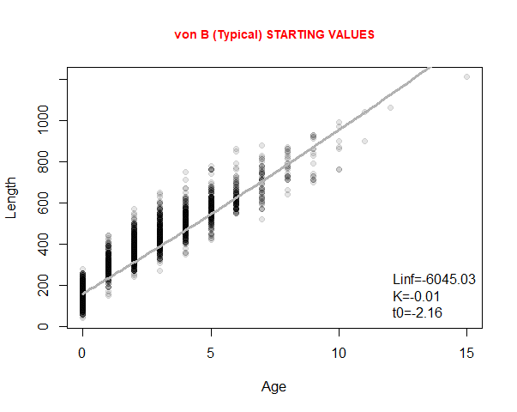
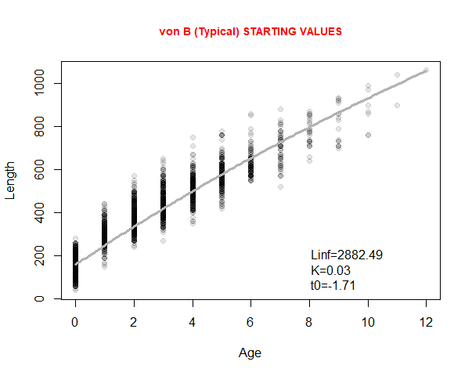
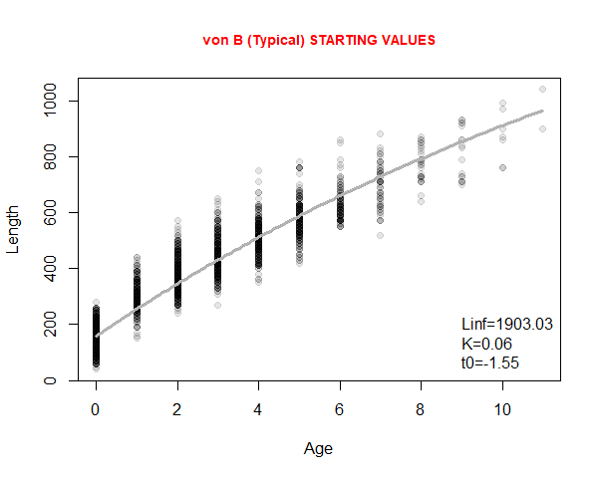
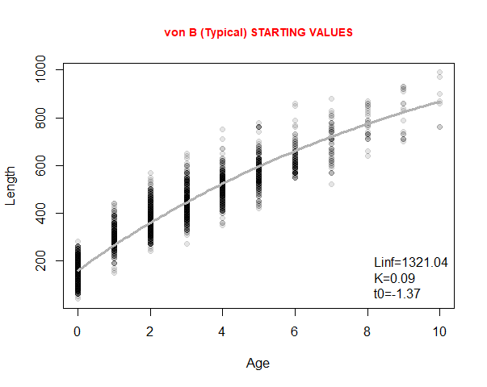
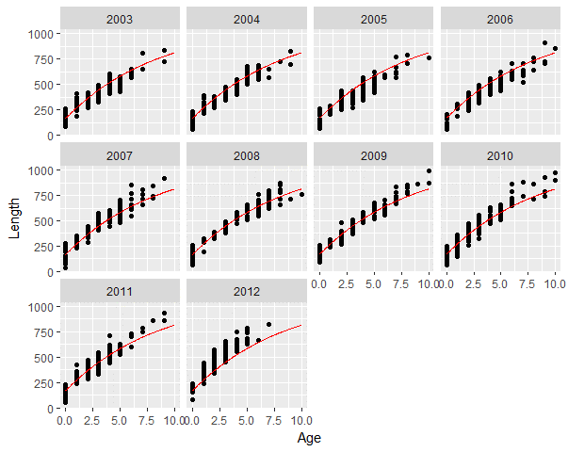
All Data | removed 1 aged 15 | removed one aged 12 | removed everything above 10

Saithe
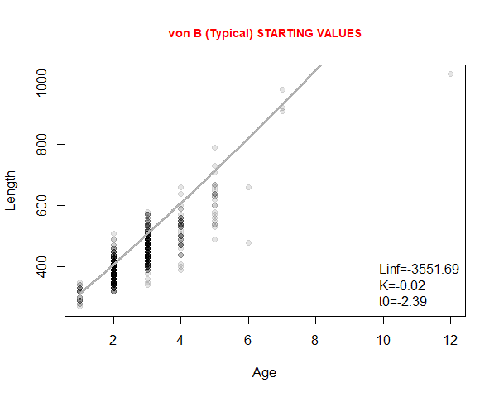
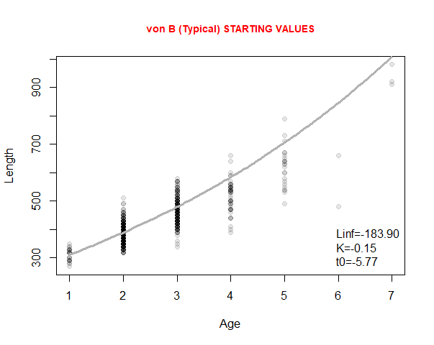
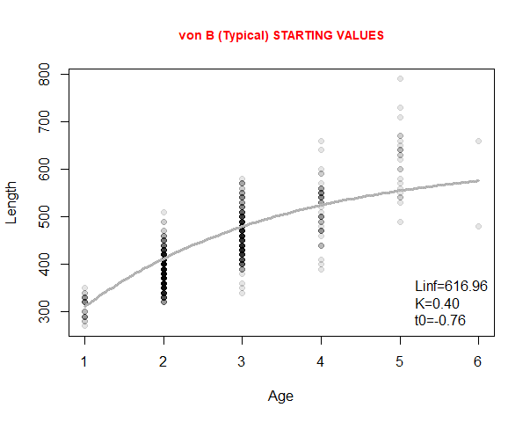
All data | Point at 12 removed | Points at 7 removed

Age Distribution
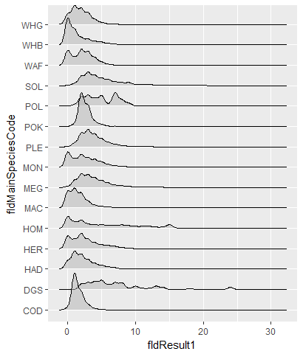
 | (9) | 0 | 1 | 2 | 3 | 4 | 5 | 6 | 7 | 8 | 9 | 10 | 11 | 12 | 13 | 14 | 15 | 16 | 17 | 18 | 19 | 20 | 21 | 22 | 23 | 24 | 25 | 27 | 28 | 30 | 31 | <NA>
COD | - | 102 | 1,887 | 890 | 265 | 68 | 17 | 5 | 2 | - | - | - | - | - | - | - | - | - | - | - | - | - | - | - | - | - | - | - | - | - | - | 9
DGS | - | - | - | 5 | 6 | 7 | 8 | 4 | 6 | 6 | 1 | 3 | 1 | 1 | 3 | 2 | - | - | - | 1 | - | - | - | - | - | 2 | - | - | - | - | - | 3,060
HAD | - | 3,689 | 7,620 | 6,336 | 4,055 | 2,479 | 1,756 | 1,022 | 595 | 145 | 22 | 9 | - | - | 1 | - | - | - | - | - | - | - | - | - | - | - | - | - | - | - | - | 138
HER | - | 1,086 | 777 | 1,297 | 789 | 504 | 337 | 278 | 200 | 106 | 44 | 9 | 3 | - | - | - | - | - | - | - | - | - | - | - | - | - | - | - | - | - | - | 715
HOM | - | 2,111 | 1,073 | 1,420 | 748 | 612 | 641 | 541 | 476 | 602 | 462 | 341 | 357 | 377 | 209 | 214 | 684 | 47 | 32 | 27 | 13 | 25 | 10 | 10 | 5 | 3 | 3 | 1 | 1 | 1 | 1 | 1,102
MAC | - | 1,222 | 1,387 | 1,063 | 483 | 196 | 117 | 76 | 36 | 27 | 13 | 3 | 4 | - | - | - | - | - | - | - | - | - | - | - | - | - | - | - | - | - | - | 4,911
MEG | - | 260 | 1,633 | 3,067 | 2,852 | 2,182 | 1,606 | 1,021 | 527 | 417 | 250 | 170 | 146 | 116 | 73 | 55 | 23 | 20 | 11 | 7 | 3 | 2 | 3 | 2 | 1 | - | 1 | - | - | - | - | 1,110
MON | - | 576 | 289 | 473 | 344 | 285 | 199 | 102 | 53 | 27 | 17 | 7 | 2 | 1 | - | - | 1 | - | - | - | - | - | - | - | - | - | - | - | - | - | - | 2,546
PLE | - | 8 | 805 | 2,932 | 3,658 | 2,722 | 1,713 | 987 | 555 | 280 | 138 | 65 | 26 | 13 | 1 | 2 | 1 | - | - | - | - | - | - | - | - | - | - | - | - | - | - | 288
POK | - | - | 25 | 358 | 217 | 49 | 23 | 2 | 3 | - | - | - | - | 1 | - | - | - | - | - | - | - | - | - | - | - | - | - | - | - | - | - | 2,232
POL | - | - | 1 | 6 | 7 | 5 | 7 | 1 | 9 | 4 | 2 | - | - | - | - | - | - | - | - | - | - | - | - | - | - | - | - | - | - | - | - | 228
SOL | - | 3 | 84 | 349 | 499 | 376 | 284 | 221 | 145 | 110 | 118 | 44 | 34 | 48 | 16 | 13 | 19 | 9 | 5 | 4 | 3 | 3 | 2 | - | - | - | - | - | - | - | - | 41
WAF | - | 175 | 87 | 179 | 156 | 88 | 37 | 11 | 2 | - | 1 | - | - | - | - | - | - | - | - | - | - | - | - | - | - | - | - | - | - | - | - | 1,866
WHB | 1 | 3,580 | 2,047 | 943 | 745 | 498 | 361 | 199 | 87 | 33 | 12 | 3 | - | - | - | - | - | - | - | - | - | - | - | - | - | - | - | - | - | - | - | 2,525
WHG | - | 3,542 | 6,252 | 5,288 | 3,886 | 1,700 | 673 | 183 | 59 | 11 | 2 | - | - | - | - | - | - | - | - | - | - | - | - | - | - | - | - | - | - | - | - | 1,006

Sheet1
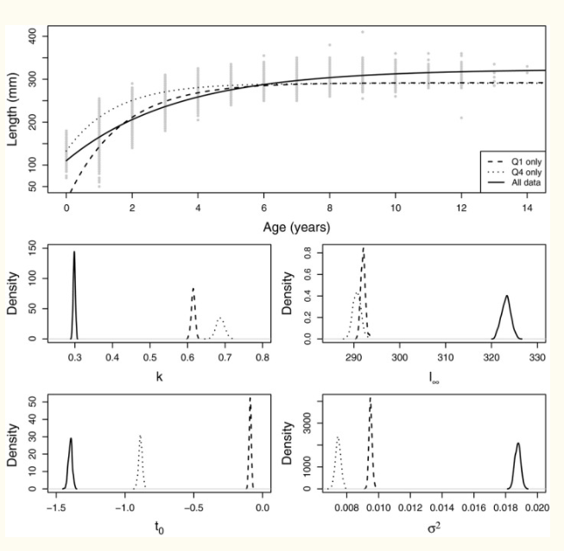
https://www.ncbi.nlm.nih.gov/pmc/articles/PMC5587502/

